Index
FIRM ALPHA CO., LTD
since 1995
Tekeyan Business Centre, 50 Khanjyan St., Yerevan 0025, Republic of Armenia
Phone: + 374 10 52 13 56; + 374 10 55 56 13; E-mail: sales@alpha.am, URL: www.alpha.am
Update valid as of August 15, 2025
EXCHANGE RATE: 1 EURO = Exchange Rate by CBA + 5 AMD
Please note - prices are shown on terms Ex-Works the Netherlands! / Цены указаны на условиях Ex-Works the Netherlands!
 | EMEA PRICELIST 2025 This price list is valid as from May 9th 2025

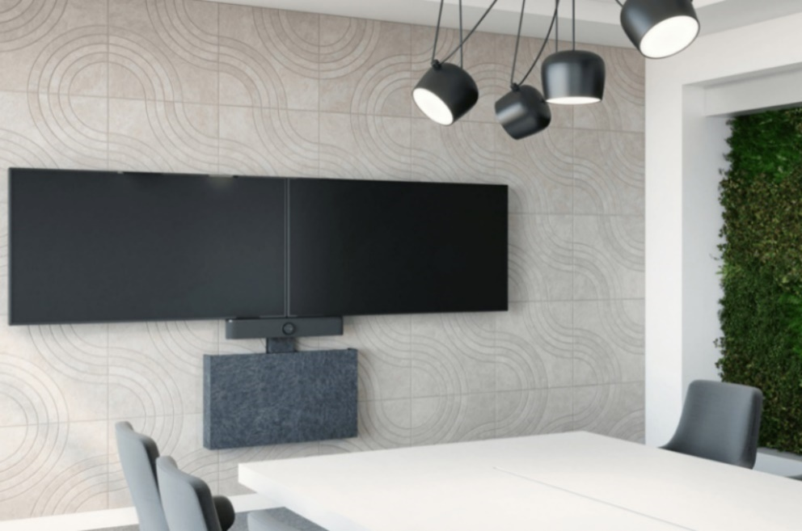
 | LED - Mounting Solutions | Go to page

 | Display - Height Adjustable Solutions for Touch Displays | Go to page

 | Display - Kiosk Display Enclosures | Go to page

 | Display - Wall Mounts | Go to page

 | Display - Swing Arm Mounts | Go to page

 | Display - Video Wall Mount Solutions | Go to page

 | Display - Video Wall Mount Accessories | Go to page
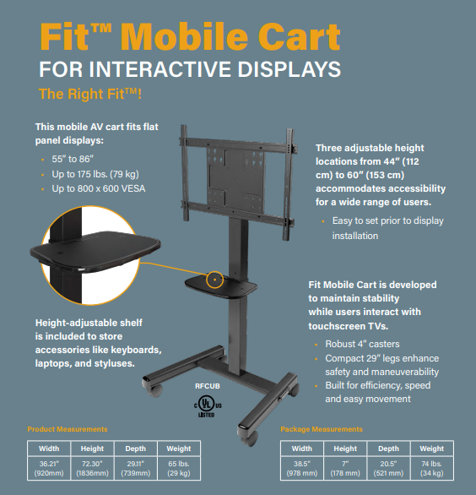
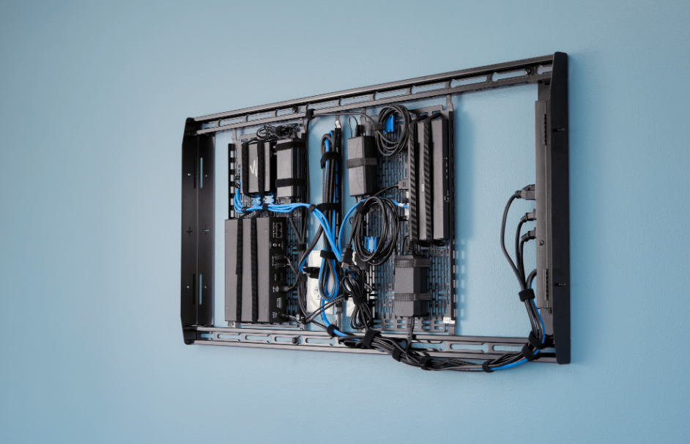
 | Display - Modular Mount Systems | Go to page

 | Display - Carts & Freestanding Solutions | Go to page

 | Display - Ceiling Mounts | Go to page

 | Display - Rental Stand | Go to page

 | Display - Table & Pole Mounts | Go to page

 | Projector - Projector Mounts & all in one KIT solutions | Go to page

 | Projector - Suspended Ceilings Mount Solutions | Go to page

 | Workstation - Workstation Monitor Mounts | Go to page

 | Storage Solutions | Go to page

This Price List is confidential; do not forward this document to others outside your organisation.

ERP UPLOAD LIST
FIRM ALPHA CO., LTD
since 1995
Tekeyan Business Centre, 50 Khanjyan St., Yerevan 0025, Republic of Armenia
Phone: + 374 10 52 13 56; + 374 10 55 56 13; E-mail: sales@alpha.am, URL: www.alpha.am
Update valid as of August 15, 2025
EXCHANGE RATE: 1 EURO = Exchange Rate by CBA + 5 AMD
Please note - prices are shown on terms Ex-Works the Netherlands! / Цены указаны на условиях Ex-Works the Netherlands!
 |  |  |  |  |  |  |  |  |  |  |  |  | RETURN TO INDEX

Model | Category | Description | Product Weight in kg | Package and Product weight in kg | Length in cm | Width in cm | Height in cm | UPC/ EAN Code | HS/TariffCode | Country of Origin | MSRP | Changes
CSACB2 | Mounts - Accessories | CONNEXSYS WALL COVER 2-BRACKET PACK | 0.90 | 1.36 | 50.80 | 26.67 | 12.06 | 841872170800 | 8302420090 | US | € 101.00 | Removed from EMEA catalog
FCAC | Mounts - Fusion Accessories | CEILING MOUNT, EXTRUSION CONNECTOR | 1.47 | 1.63 | 50.80 | 26.67 | 11.43 | 841872161082 | 9403901090 | US | € 94.00 | Removed from EMEA catalog
FCAC2x1LB | Mounts - Accessories | FUSION BACK COVER, FOR 2x1 MENUBOARD INSTALLATIONS - LARGE | N/A | 10.49 | 98.30 | 59.06 | 22.86 | 841872172118 | 3926909790 | US | € 710.00 | Removed from EMEA catalog
FCAC3x1LB | Mounts - Accessories | FUSION BACK COVER, FOR 3x1 MENUBOARD INSTALLATIONS - LARGE | N/A | 13.12 | 98.30 | 59.06 | 22.86 | 841872172132 | 3926909790 | US | € 905.00 | Removed from EMEA catalog
FCAC3x1MB | Mounts - Accessories | FUSION BACK COVER, FOR 3x1 MENUBOARD INSTALLATIONS - MEDIUM | N/A | 13.12 | 98.30 | 59.06 | 22.86 | 841872172149 | 3926909790 | US | € 905.00 | Removed from EMEA catalog
FCK000 | Mounts - Fusion Accessories | MOUNT CONNECTOR 0" EXTENSION | 0.20 | 0.23 | 25.40 | 15.24 | 2.54 | 841872144597 | 9403901090 | CN | € 27.00 | Removed from EMEA catalog
FHB5087 | Mounts - Fusion Accessories | Fusion Display Mount Adapter for 70". Cisco Webex Board | 14.00 | 15 | 169.4 | 25.4 | 17.8 | 841872172040 | 9403901090 | US | € 504.00 | Removed from EMEA catalog
FHB5088 | Mounts - Fusion Accessories | Fusion Display Mount Adapter for 55". Cisco Webex Board | 11.00 | 12 | 11.4 | 11.4 | 123 | 841872171869 | 9403901090 | US | € 379.00 | Removed from EMEA catalog
FHBO5169 | Mounts - Enclosures/Kiosk | UNIVERSAL ADAPTER SAMSUNG 46" | 12.00 | 15.00 | 134.62 | 68.58 | 10.16 | 841872176741 | 8302420090 | US | € 918.00 | Removed from EMEA catalog
FSB4073 | Mounts - Interface extender | SMALL FLAT PANEL INTERFACE BRACKET - 50x50 VESA, M8 | 0.32 | 0.36 | 19.05 | 17.78 | 5.08 | 841872166315 | 9403901090 | US | € 55.00 | Removed from EMEA catalog
FSB4442B | Mounts - Monitor | Interface Bracket, for Samsung SH37F stretched displays. | 0.00 | 3.17 | 51.4 | 26 | 10.8 | 841872171692 | 8302490099 | US | € 119.00 | Removed from EMEA catalog
HC1 | Mounts - Projector Accessories | HEAVY DUTY CABLE SYSTEM | 0.90 | 1.07 | 19.05 | 20.32 | 2.54 | 841872002934 | 7608208990 | CN | € 90.00 | Removed from EMEA catalog
K1C120B | Mounts - Monitor | KONTOUR™ K1 SERIES SINGL DISPLAY COLMN MNT, BLK | 5.35 | 5.942060047 | 93.345 | 38.735 | 15.5575 | 841872148526 | 8302490099 | US | € 308.00 | Removed from EMEA catalog
K1C120BXRH | Mounts - Monitor | KONTOUR™ K1C DDYNAMIC COLUMN MOUNT, Reduced Height, Black | 5.32 | 5.91 | 93.35 | 38.74 | 15.57 | 841872163031 | 8302490099 | US | € 302.00 | Removed from EMEA catalog
K1C120SXRH | Mounts - Monitor | KONTOUR™ K1C DYNAMIC COLUMN MOUNT, Reduced Height, Silver | 5.32 | 5.91 | 93.35 | 38.74 | 15.57 | 841872163048 | 8302490099 | US | € 302.00 | Removed from EMEA catalog
K1C120W | Mounts - Monitor | KONTOUR™ K1C DYNAMIC COLUMN MOUNT, 1 MONITOR | 5.21 | 5.95 | 85.73 | 44.45 | 16.51 | 841872166360 | 8302490099 | US | € 308.00 | Removed from EMEA catalog
K1C210B | Mounts - Monitor | KONTOUR™ K1C DYNAMIC COLUMN MOUNT, 2 MONITORS BLK | 5.32 | 5.91 | 66.68 | 62.74 | 15.24 | 841872160054 | 8302490099 | US | € 380.00 | Removed from EMEA catalog
K1C220W | Mounts - Monitor | KONTOUR™ K1C DYNAMIC COLUMN MOUNT, 2 MONITORS WHT | 7.90 | 8.5 | 90.17 | 26.67 | 26.67 | 841872166384 | 8302490099 | US | € 450.00 | Removed from EMEA catalog
K1C22HB | Mounts - Monitor | KONTOUR™ K1C DYNAMIC COLUMN MOUNT, 2 MONITOR ARRAY |  | 10.2 | 76.2 | 36.83 | 20.32 | 841872160115 | 8302490099 | US | € 528.00 | Removed from EMEA catalog
K1C330B | Mounts - Monitor | KONTOUR™ K1C 3x1 MONITOR SOLUTION, COLUMN. BLACK | 9.42 | 10.04 | 86.36 | 60.96 | 15.24 | 841872171333 | 8302490099 | CN | € 659.00 | Removed from EMEA catalog
K1C330W | Mounts - Monitor | KONTOUR™ K1C 3x1 MONITOR SOLUTION, COLUMN. WHITE | 9.42 | 10.04 | 86.36 | 60.96 | 15.24 | 841872171357 | 8302490099 | CN | € 659.00 | Removed from EMEA catalog
K1C420B | Mounts - Monitor | KONTOUR™ K1C 2x2 MONITOR SOLUTION, COLUMN. BLACK | 12.80 | 15 | 92.71 | 46.35 | 32.38 | 841872171364 | 8302490099 | CN | € 762.00 | Removed from EMEA catalog
K1C420W | Mounts - Monitor | KONTOUR™ K1C 2x2 MONITOR SOLUTION, COLUMN. WHITE | 12.80 | 15 | 92.71 | 46.35 | 32.38 | 841872171388 | 8302490099 | CN | € 762.00 | Removed from EMEA catalog
K1D120BXRH | Mounts - Monitor | KONTOUR™ K1D Dynamic Desk Mount, Reduced Height, Black | 4.71 | 5.23 | 93.35 | 38.74 | 15.24 | 841872163093 | 8302490099 | US | € 280.00 | Removed from EMEA catalog
K1D120SXRH | Mounts - Monitor | KONTOUR™ K1D Dynamic Desk Mount, Reduced Height, Silver | 4.71 | 5.23 | 93.35 | 38.74 | 15.24 | 841872163109 | 8302490099 | US | € 280.00 | Removed from EMEA catalog
K1D130B | Mounts - Monitor | Kontour™ K1D Dynamic Desk Mount, Extended Reach |  | 5.44 | 85.73 | 44.45 | 16.51 | 841872163116 | 8302490099 | US | € 342.00 | Removed from EMEA catalog
K1D22HB | Mounts - Monitor | KONTOUR™ K1 DESK MNT DUAL DISP 2L ARM H-ARRAY,BLK | 8.50 | 9.44 | 76.2 | 36.83 | 20.32 | 841872160238 | 8302490099 | US | € 516.00 | Removed from EMEA catalog
K1D22HBXRH | Mounts - Monitor | KONTOUR™ K1C Dynamic Desk Mount, Dual Monitor Array, Reduced Height, Black | 8.39 | 9.32 | 76.2 | 36.83 | 20.32 | 841872163154 | 8302490099 | US | € 444.00 | Removed from EMEA catalog
K1D22HSXRH | Mounts - Monitor | KONTOUR™ K1C Dynamic Desk Mount, Dual Monitor Array, Reduced Height, Silver | 8.39 | 9.32 | 76.2 | 36.83 | 20.32 | 841872163161 | 8302490099 | US | € 444.00 | Removed from EMEA catalog
K1P120B | Mounts - Monitor | KONTOUR™ K1 SERIES SINGLE DISPLAY POLE MNT, BLK | 4.25 | 4.72 | 93.35 | 38.74 | 15.24 | 841872151670 | 8302490099 | US | € 280.00 | Removed from EMEA catalog
K1W120SXRH | Mounts - Monitor | K1W120 REDUCED HEIGHT, SLV | 0.00 | 5.20 | 85.6 | 44.5 | 16.5 | 841872171043 | 8302490099 | US | € 322.00 | Removed from EMEA catalog
K1W120W | Mounts - Monitor | KONTOUR™ K1W DYNAMIC WALL MOUNT, 1 MONITOR WHT | 4.90 | 5.23 | 85.73 | 44.45 | 16.51 | 841872166438 | 8302490099 | US | € 280.00 | Removed from EMEA catalog
K1W220B | Mounts - Monitor | KONTOUR™ K1 SERIES, DUAL DISPLAY WALL MOUNT, BLK | 6.94 | 7.71 | 92.39 | 25.72 | 28.58 | 841872150253 | 8302490099 | CN | € 422.00 | Removed from EMEA catalog
K2C110B | Mounts - Monitor | KONTOUR™ K2C Articulating Column Mount, 1 Monitor BLK | 3.27 | 3.63 | 61.6 | 44.45 | 14.61 | 841872160474 | 8302490099 | CN | € 152.00 | Removed from EMEA catalog
K2C22HB | Mounts - Monitor | KONTOUR™ K2 CLMN MNT DUAL DISP 2L ARM H-ARRAY,BLK | 7.35 | 8.16 | 76.20 | 36.83 | 20.32 | 841872160559 | 8302490099 | CN | € 342.00 | Removed from EMEA catalog
K2P110B | Mounts - Monitor | KONTOUR™ K2P ARTICULATING POLE MOUNT, SINGLE MONITOR BLK | 1.76 | 1.95 | 40.64 | 30.48 | 12.7 | 841872160580 | 8302490099 | CN | € 152.00 | Removed from EMEA catalog
K2P110S | Mounts - Monitor | KONTOUR™ K2P ARTICULATING POLE MOUNT, SINGLE MONITOR SLV | 1.76 | 1.95 | 40.64 | 30.48 | 12.7 | 841872160597 | 8302490099 | CN | € 152.00 | Removed from EMEA catalog
K2P120B | Mounts - Monitor | KONTOUR™ K2 SERIES SINGLE DISPLAY POLE MNT, BLK | 2.45 | 2.72 | 41.91 | 33.02 | 13.34 | 841872151717 | 8302490099 | CN | € 182.00 | Removed from EMEA catalog
K2P220S | Mounts - Monitor | K2 POLE MNT DUAL DISP DUAL 2L ARMS, SLV | 0.00 | 6.33 | 85.6 | 44.5 | 16.5 | 841872160634 | 8302490099 | US | € 396.00 | Removed from EMEA catalog
K2W110S | Mounts - Monitor | KONTOUR™ K2W WALL MOUNT SWING ARM, SINGLE MONITOR SLV | 1.90 | 2.11 | 40.64 | 30.48 | 12.7 | 841872160672 | 8302490099 | CN | € 138.00 | Removed from EMEA catalog
K2W120S | Mounts - Monitor | KONTOUR™ K2 SERIES SINGLE DISPLAY WALL MNT, SLV | 2.25 | 2.49 | 40.64 | 30.48 | 12.70 | 841872148632 | 8302490099 | US | € 168.00 | Removed from EMEA catalog
...

LED Mount Solutions
FIRM ALPHA CO., LTD
since 1995
Tekeyan Business Centre, 50 Khanjyan St., Yerevan 0025, Republic of Armenia
Phone: + 374 10 52 13 56; + 374 10 55 56 13; E-mail: sales@alpha.am, URL: www.alpha.am
Update valid as of August 15, 2025
EXCHANGE RATE: 1 EURO = Exchange Rate by CBA + 5 AMD
Please note - prices are shown on terms Ex-Works the Netherlands! / Цены указаны на условиях Ex-Works the Netherlands!
 |  |  | RETURN TO INDEX

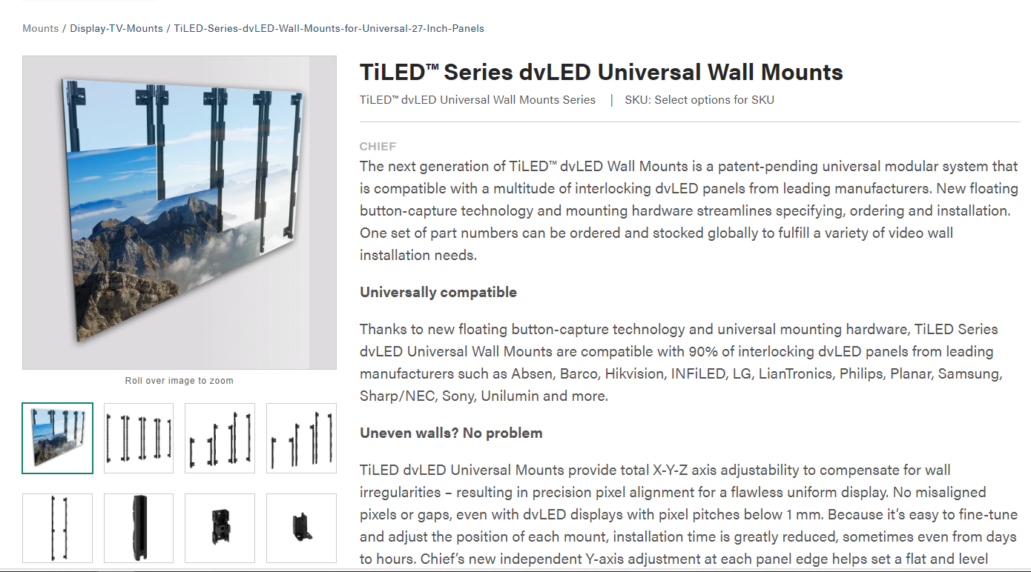
TiLED™ Series Universal Wall Mounts |  | MSRP |  | TiLED™ Series Universal Wall Mounts
DVM27U2 | TiLED Universal 27" 2 High Starter | € 265.00
DVM27U2E | TiLED Universal 27" 2 High Extender | € 265.00
DVM27U3 | TiLED Universal 27" 3 High Starter | € 401.00
DVM27U3E | TiLED Universal 27" 3 High Extender | € 401.00
DVM27U4 | TiLED Universal 27" 4 High Starter | € 528.00
DVM27U4E | TiLED Universal 27" 4 High Extender | € 528.00

Height Adjustable Solutions
FIRM ALPHA CO., LTD
since 1995
Tekeyan Business Centre, 50 Khanjyan St., Yerevan 0025, Republic of Armenia
Phone: + 374 10 52 13 56; + 374 10 55 56 13; E-mail: sales@alpha.am, URL: www.alpha.am
Update valid as of August 15, 2025
EXCHANGE RATE: 1 EURO = Exchange Rate by CBA + 5 AMD
Please note - prices are shown on terms Ex-Works the Netherlands! / Цены указаны на условиях Ex-Works the Netherlands!
 |  |  | RETURN TO INDEX

Electric Height Adjustable Solutions |  | MSRP
LFE1U-EU | Large motorized height adjustable floor to wall solution for L displays, Weight Capacity 90kg, Order LFE1U-EU for Europe, LFE1U-UK for United Kingdom and LFE1U-CH for Switzerland | € 1,353.00
LPE1U-EU | Large motorized height adjustable cart solution for L displays, Weight Capacity 90kg, Order LFE1U-EU for Europe, LFE1U-UK for United Kingdom and LFE1U-CH for Switzerland | € 1,419.00
XSD1U-EU | Extra large motorized height adjustable wall mount for XL displays. Weight Capacity 140 kg, Order XSD1U-EU for Europe, XSD1U-UK for United Kingdom and XSD1U-CH for Switzerland | € 1,671.00
XFD1U-EU | Extra large motorized height adjustable floor to wall solution for XL displays. Weight Capacity 140 kg, Order XFD1U-EU for Europe, XFD1U-UK for United Kingdom and XFD1U-CH for Switzerland | € 1,749.00
XPD1U-EU | Extra large motorized height adjustable mobile cart for XL displays. Weight Capacity 140 kg Order XPD1U-EU for Europe, XPD1U-UK for United Kingdom and XPD1U-CH for Switzerland | € 1,875.00
Dynamic Height Adjustable Solutions
MSD1U | Fusion Dynamic Height Adjustable Wall Mount - Medium - Capacity: 26.9- 54.7 kg | € 1,138.00
LSD1U | Fusion Dynamic Height Adjustable Wall Mount - Large - Capacity: 56 - 79.9 kg | € 1,271.00
MPD1U | Fusion Dynamic Height Adjustable Cart – Medium - Black - Capacity: 30.7 -58.6 kg | € 2,702.00
...

Display Kiosk Enclosures
FIRM ALPHA CO., LTD
since 1995
Tekeyan Business Centre, 50 Khanjyan St., Yerevan 0025, Republic of Armenia
Phone: + 374 10 52 13 56; + 374 10 55 56 13; E-mail: sales@alpha.am, URL: www.alpha.am
Update valid as of August 15, 2025
EXCHANGE RATE: 1 EURO = Exchange Rate by CBA + 5 AMD
Please note - prices are shown on terms Ex-Works the Netherlands! / Цены указаны на условиях Ex-Works the Netherlands!
 |  |  | RETURN TO INDEX
On-wall enclosures / Kiosk products |  | MSRP
LW55UBP | IMPACT ON-WALL KIOSK - 55" PORTRAIT, BLACK | € 1,858.00
LW65UBP | IMPACT ON-WALL KIOSK - 65" PORTRAIT, BLACK | € 2,511.00
LW70UBP | IMPACT ON-WALL KIOSK - 70" PORTRAIT, BLACK | € 2,511.00
LW75UBP | IMPACT ON-WALL KIOSK - 75" PORTRAIT, BLACK | € 3,140.00
LW55UWP | IMPACT ON-WALL KIOSK - 55" PORTRAIT, WHITE | € 1,858.00
LW65UWP | IMPACT ON-WALL KIOSK - 65" PORTRAIT, WHITE | € 2,511.00
LW75UWP | IMPACT ON-WALL KIOSK - 75" PORTRAIT, WHITE | € 3,140.00
On-wall enclosures / Kiosk products |  | MSRP
LW55UB | IMPACT ON-WALL KIOSK - 55" LANDSCAPE, BLACK | € 2,408.00
LW65UB | IMPACT ON-WALL KIOSK - 65" PORTRAIT, BLACK | € 3,590.00
...

Display Wall Mounts
FIRM ALPHA CO., LTD
since 1995
Tekeyan Business Centre, 50 Khanjyan St., Yerevan 0025, Republic of Armenia
Phone: + 374 10 52 13 56; + 374 10 55 56 13; E-mail: sales@alpha.am, URL: www.alpha.am
Update valid as of August 15, 2025
EXCHANGE RATE: 1 EURO = Exchange Rate by CBA + 5 AMD
Please note - prices are shown on terms Ex-Works the Netherlands! / Цены указаны на условиях Ex-Works the Netherlands!
 |  |  | RETURN TO INDEX

Tempo™ Flat Panel Wall Mount System |  | MSRP
AS3LD | TEMPO FP WALL MOUNT SYSTEM | € 633.00
Fusion Series Fixed Wall Mount |  | MSRP
XSM1U | Fusion XL Universal Micro-adjustable Wall mount. Weight cap 113 Kg | € 278.00
LSM1U | Fusion Large Universal Micro-adjustable Wall mount. Weight cap 90 Kg | € 209.00
LSA1U | Fusion Large Universal Wall mount. Weight cap 90 Kg | € 166.00
MSM1U | Fusion Medium Universal Micro-adjustable Wall mount. Weight cap 56 Kg | € 152.00
MSA1U | Fusion Medium Universal Wall mount. Weight cap 56 Kg | € 110.00
FSR1U | Fusion Small Universal (50x50 to 200x200 mm VESA) wall mount | € 47.00
KITXWXSM1U | Ultra-Wide Micro-Adjustable Static Wall Mount, Extra Large Kit | € 687.00
...

Display Wall Mount Accessories
FIRM ALPHA CO., LTD
since 1995
Tekeyan Business Centre, 50 Khanjyan St., Yerevan 0025, Republic of Armenia
Phone: + 374 10 52 13 56; + 374 10 55 56 13; E-mail: sales@alpha.am, URL: www.alpha.am
Update valid as of August 15, 2025
EXCHANGE RATE: 1 EURO = Exchange Rate by CBA + 5 AMD
Please note - prices are shown on terms Ex-Works the Netherlands! / Цены указаны на условиях Ex-Works the Netherlands!
 |  |  | RETURN TO INDEX

Tempo™ Flat Panel Wall Mount System Accessories
AS3A100 | Camera Shelf for Tempo™ Flat Panel Wall Mount System | € 211.00
AS3A101 | Video-Sound Bar Mount for Tempo™ Flat Panel Wall Mount System | € 231.00
AS3A102 | Crestron® UC Bracket Accessory for Tempo™ Flat Panel Wall Mount System | € 150.00
FHB5174 | 650 mm Interface Extenders for Tempo™ Flat Panel Wall Mount System | € 200.00
Fusion Storage Cabinet
FCASTC | FUSION STORAGE CABINET | € 769.00
Camera Shelves & Speaker adapters
FCALRB1 | LOGITECH RALLY BAR FUSION MOUNT ACC | € 230.00
PAC800K | ConferenceSHOT ePTZ camera mount for large displays | € 115.00
...

Display Swing Arm Mounts
FIRM ALPHA CO., LTD
since 1995
Tekeyan Business Centre, 50 Khanjyan St., Yerevan 0025, Republic of Armenia
Phone: + 374 10 52 13 56; + 374 10 55 56 13; E-mail: sales@alpha.am, URL: www.alpha.am
Update valid as of August 15, 2025
EXCHANGE RATE: 1 EURO = Exchange Rate by CBA + 5 AMD
Please note - prices are shown on terms Ex-Works the Netherlands! / Цены указаны на условиях Ex-Works the Netherlands!
 |  |  | RETURN TO INDEX

Heavy Duty Swing arm mounts
PDRUB | XL Heavy Duty Swing arm Wall Mount. Extension 94 cm. Weight capacity 90.7 Kg | € 808.00
PNRUB | XL Heavy Duty Swing arm Wall Mount. Extension 64 cm. Weight capacity 90.7 Kg | € 702.00
Heavy Duty Swing arm mounts Accessories
PAC715 | Video Conferencing shelve for PDRU, PNRU Swing arms | € 138.00
PAC716 | Video Conferencing shelve Large for PDRU, PNRU Swing arms | € 138.00
PAC400 | Rotation accessory for PNR/PDR series | € 166.00
Thinstall Swing Arm Mounts
TS525TU | 37"-60" Thinstall™ Swing Arm Wall Mount. Dual wall plate. Up to 800x400 mm VESA. Weight capacity 56.7 Kg | € 560.00
TS325TU | 26"-60" Thinstall™ Swing Arm Wall Mount. Dual wall plate. Up to 600x400 mm VESA. Weight capacity 34 Kg | € 421.00
...

Display Videowall Mounts
FIRM ALPHA CO., LTD
since 1995
Tekeyan Business Centre, 50 Khanjyan St., Yerevan 0025, Republic of Armenia
Phone: + 374 10 52 13 56; + 374 10 55 56 13; E-mail: sales@alpha.am, URL: www.alpha.am
Update valid as of August 15, 2025
EXCHANGE RATE: 1 EURO = Exchange Rate by CBA + 5 AMD
Please note - prices are shown on terms Ex-Works the Netherlands! / Цены указаны на условиях Ex-Works the Netherlands!
 |  |  | RETURN TO INDEX

ConnexSys Video Wall Solutions |  | MSRP
LVS1U | ConnexSys™ Video Wall Landscape Mounting System with Rails | € 621.00
LVS1UP | ConnexSys™ Video Wall Portrait Mounting System with Rails | € 621.00
LVSXU | ConnexSys™ Video Wall Landscape Mounting System without Rails | € 613.00
LVSXUP | ConnexSys™ Video Wall Portrait Mounting System without Rails | € 613.00
CSACK06B | ConnexSys™ Wall Display Cover Accessory, 6". | € 367.00
CSA100 | ConnexSys™ Device Holder | € 96.00
FHB5050 | VESA extender, 800MM Vertical Adapter for ConnexSys | € 67.00
FRA | Freestyle Rotation Adapter for Fusion and ConnexSys mounts | € 361.00
Video Wall Cart Solutions
...

Display Modular Mount System
FIRM ALPHA CO., LTD
since 1995
Tekeyan Business Centre, 50 Khanjyan St., Yerevan 0025, Republic of Armenia
Phone: + 374 10 52 13 56; + 374 10 55 56 13; E-mail: sales@alpha.am, URL: www.alpha.am
Update valid as of August 15, 2025
EXCHANGE RATE: 1 EURO = Exchange Rate by CBA + 5 AMD
Please note - prices are shown on terms Ex-Works the Netherlands! / Цены указаны на условиях Ex-Works the Netherlands!
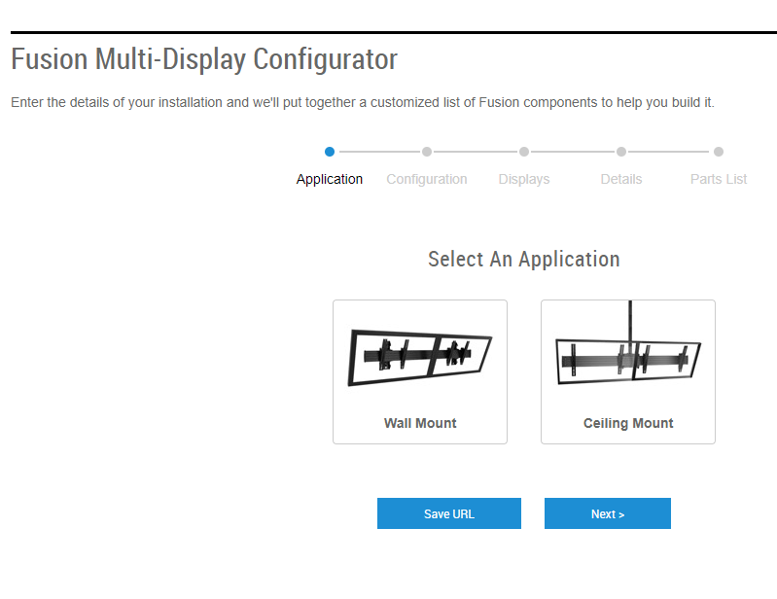
 |  |  | RETURN TO INDEX
Fusion Modular Multi- Display Solutions |  | MSRP |  | Fusion Multi-display Configurator Tool
FCASFP | Fusion Modular Small/Medium Tilt Interface, up to 300 mm | € 106.00
FMSITL | Fusion Modular Large Tilt Interface, up to 400 mm | € 133.00
FMSIML | Fusion Modular Micro-Adjust Tilt Interface, up to 400 mm | € 186.00
FMSH48 | Fusion Modular Horizontal Row, 122 cm | € 174.00
FMSH60 | Fusion Modular Horizontal Row, 152 cm | € 186.00
FMSH72 | Fusion Modular Horizontal Row, 183 cm | € 213.00
FMSH84 | Fusion Modular Horizontal Row, 213 cm | € 226.00
FMSH96 | Fusion Modular Horizontal Row, 244 cm | € 240.00
FMSH108 | Fusion Modular Horizontal Row, 274 cm | € 319.00
FMSH120 | Fusion Modular Horizontal Row, 305 cm | € 374.00
FMSHC1 | FusionModular Horizontal Row Connector | € 106.00
FMSCM | Fusion Modular Ceilin Box, Height-Adjust | € 213.00
FMSCA | Fusion Modular Ceiling Box, Floating | € 213.00
FMSWA | Fusion Modular Wall Attachment, Floating | € 133.00
FMSWM | Fusion Modular Wall Attachment, Height-Adjust | € 133.00
FMSECAP | Fusion Modular Horizontal Row End Cap | € 20.00
FMSCAO | Fusion Ceiling Array Offset | € 603.00

Display Carts & Freestanding
FIRM ALPHA CO., LTD
since 1995
Tekeyan Business Centre, 50 Khanjyan St., Yerevan 0025, Republic of Armenia
Phone: + 374 10 52 13 56; + 374 10 55 56 13; E-mail: sales@alpha.am, URL: www.alpha.am
Update valid as of August 15, 2025
EXCHANGE RATE: 1 EURO = Exchange Rate by CBA + 5 AMD
Please note - prices are shown on terms Ex-Works the Netherlands! / Цены указаны на условиях Ex-Works the Netherlands!
 |  |  | RETURN TO INDEX
Fit Mobile Cart for Interactive Displays |  | MSRP
RFCUB | Fit Mobile Cart for Interactive Displays | € 555.00
Voyager mobile cart
LSCUB | Voyager Manual Height Adjustable AV Cart Black | € 1,289.00
LSCUW | Voyager Manual Height Adjustable AV Cart White | € 1,289.00
SCACB | Component/Video Conference Camera Shelf Black | € 146.00
SCACW | Component/Video Conference Camera Shelf White | € 146.00
SCASB | Voyager speaker/conferencing bar accessory Black | € 185.00
SCASW | Voyager speaker/conferencing bar accessory White | € 185.00
SCSSB | Voyager Storage Shelf Accessory Black | € 280.00
...

Display Ceiling Mounts
FIRM ALPHA CO., LTD
since 1995
Tekeyan Business Centre, 50 Khanjyan St., Yerevan 0025, Republic of Armenia
Phone: + 374 10 52 13 56; + 374 10 55 56 13; E-mail: sales@alpha.am, URL: www.alpha.am
Update valid as of August 15, 2025
EXCHANGE RATE: 1 EURO = Exchange Rate by CBA + 5 AMD
Please note - prices are shown on terms Ex-Works the Netherlands! / Цены указаны на условиях Ex-Works the Netherlands!
 |  |  | RETURN TO INDEX

Display Ceiling Mounts |  | MSRP
K0P100B | Kontour™ Small Pole Mount with Extreme Tilt Pitch/Pivot | € 110.00
FHPVB | Small Flat Panel Ceiling Mount All-in-One Kit (60 -110cm adjustable column) | € 179.00
MCM1U | Medium Fusion Flat Panel Ceiling Mount | € 216.00
LCM1U | Large Fusion Flat Panel Ceiling Mount | € 317.00
LCM1UP | Large Fusion Flat Panel Ceiling Mount - Portrait | € 330.00
MCB1U | Large Fusion Back-to-back Flat Panel Ceiling Mount | € 368.00
LCB1U | Medium Fusion Back-to-back Flat Panel Ceiling Mount - Portrait | € 496.00
LCB1UP | Medium Fusion Back-to-back Flat Panel Ceiling Mount | € 462.00
...

Display Rental Stand
FIRM ALPHA CO., LTD
since 1995
Tekeyan Business Centre, 50 Khanjyan St., Yerevan 0025, Republic of Armenia
Phone: + 374 10 52 13 56; + 374 10 55 56 13; E-mail: sales@alpha.am, URL: www.alpha.am
Update valid as of August 15, 2025
EXCHANGE RATE: 1 EURO = Exchange Rate by CBA + 5 AMD
Please note - prices are shown on terms Ex-Works the Netherlands! / Цены указаны на условиях Ex-Works the Netherlands!
 |  |  | RETURN TO INDEX

Quick Set-up Portable Rental Stand |  | MSRP
PRSU | PORTABLE FLAT PANEL STAND | € 1,317.00
PAC900 | Rolling Case for PSRU | € 434.00
PAC910 | Component Shelve for PRSU stand | € 215.00

Display Table & Pole Mount
FIRM ALPHA CO., LTD
since 1995
Tekeyan Business Centre, 50 Khanjyan St., Yerevan 0025, Republic of Armenia
Phone: + 374 10 52 13 56; + 374 10 55 56 13; E-mail: sales@alpha.am, URL: www.alpha.am
Update valid as of August 15, 2025
EXCHANGE RATE: 1 EURO = Exchange Rate by CBA + 5 AMD
Please note - prices are shown on terms Ex-Works the Netherlands! / Цены указаны на условиях Ex-Works the Netherlands!
 |  |  | RETURN TO INDEX

Flat Panel Table stands |  | MSRP
LDS1U | Fusion Large Tabletop Stand, weight capacity 56.7 kg - up-to 70" | € 697.00
LDB1U | Fusion Large Tabletop bolt-down Stand, weight capacity 56.7 kg - up-to 70" | € 528.00
STLU | 32"-52" Table Stand, Rotation, Swivel. Weight cap 56.7 Kg | € 195.00
STS1 | 18"-30" Point Of Sale Table Stand Mount, Tilt, Swivel. Weight cap 13.6 Kg | € 110.00
Flat Panel Truss and Pole Mounts
K0P100B | 10-32" Kontour™ K0 Pole Mount with Extreme Tilt Pitch/Pivot, will replace KPP110B | € 110.00
JPPUB | 26-45" Pivot / Tilt Pole Mount. Weight cap 34 Kg | € 122.00
PAC102B | Component Pole Shelf | € 81.00
...

Projector Mounts
FIRM ALPHA CO., LTD
since 1995
Tekeyan Business Centre, 50 Khanjyan St., Yerevan 0025, Republic of Armenia
Phone: + 374 10 52 13 56; + 374 10 55 56 13; E-mail: sales@alpha.am, URL: www.alpha.am
Update valid as of August 15, 2025
EXCHANGE RATE: 1 EURO = Exchange Rate by CBA + 5 AMD
Please note - prices are shown on terms Ex-Works the Netherlands! / Цены указаны на условиях Ex-Works the Netherlands!
 |  | Change W (White) to B (Black) or S (Silver) to specify the desired color. SKUs come in one or two colors |  | RETURN TO INDEX
Universal All-in-One Projector Mount kits |  |  | MSRP
KITEC030045W | KITEC030045B | Universal Projector Mount Kit - with Micro Zone adjustment and Key Lock integrated security. Adj 30 - 45 cm. Up to 11 Kg | € 208.00
KITEC045080W | KITEC045080B | Universal Projector Mount Kit - with Micro Zone adjustment and Key Lock integrated security. Adj 45 - 80 cm. Up to 11 Kg | € 227.00
KITEC080135W | KITEC080135B | Universal Projector Mount Kit - with Micro Zone adjustment and Key Lock integrated security. Adj 80 - 135 cm. Up to 11 Kg | € 250.00
KITMC030045W | KITMC030045B | Universal Projector Mount Kit - with Micro Zone adjustment and Key Lock integrated security. Adj 30 - 45 cm. Up to 22 Kg | € 268.00
KITMC045080W | KITMC045080B | Universal Projector Mount Kit - with Micro Zone adjustment and Key Lock integrated security. Adj 45 - 80 cm. Up to 22 Kg | € 292.00
KITMC080135W | KITMC080135B | Universal Projector Mount Kit - with Micro Zone adjustment and Key Lock integrated security. Adj 80 - 135 cm. Up to 22 Kg | € 311.00
KITEP030045W |  | Custom EPSON Projector Mount Kit - with Micro Zone adjustment and Key Lock integrated security. Adj 30 - 45 cm. Up to 13.6 Kg | € 208.00
KITEP045080W |  | Custom EPSON Projector Mount Kit - with Micro Zone adjustment and Key Lock integrated security. Adj 45 - 80 cm. Up to 13.6 Kg | € 227.00
KITEP080135W |  | Custom EPSON Projector Mount Kit - with Micro Zone adjustment and Key Lock integrated security. Adj 80 - 135 cm. Up to 13.6 Kg | € 250.00
...

Projector Suspended Ceiling
FIRM ALPHA CO., LTD
since 1995
Tekeyan Business Centre, 50 Khanjyan St., Yerevan 0025, Republic of Armenia
Phone: + 374 10 52 13 56; + 374 10 55 56 13; E-mail: sales@alpha.am, URL: www.alpha.am
Update valid as of August 15, 2025
EXCHANGE RATE: 1 EURO = Exchange Rate by CBA + 5 AMD
Please note - prices are shown on terms Ex-Works the Netherlands! / Цены указаны на условиях Ex-Works the Netherlands!
 |  | Change W (White) to B (Black) or S (Silver) to specify the desired color. SKUs come in one or two colors |  | RETURN TO INDEX
Suspended Ceiling All-in-One Projector System |  |  | MSRP
SYSAUW |  | Next Generation Suspended Ceiling Projector System - up to 16 Kg | € 333.00
KITMZ006S |  | Suspended Ceiling Projcetor Mount Kit (CMS440, RSMAUS, CMSZ006S) up to 11 Kg | € 297.00
Suspended Ceiling Kit
CMS446 |  | Speed-Connect Universal Above Tile Suspended Ceiling Camera Mount Kit | € 160.00
CMS440 |  | Above Tile Suspended Ceiling Kit | € 90.00
Suspended Ceiling Accessories
CMSZ006 |  | Fully Threaded Column (150mm) for infinitive Height adjustment (use with CMS440 Suspended Ceiling tiles) | € 21.00
Universal Projector Mounts
RPMAU | RPMAUW | Universal Projector Mount, up to 22.7 Kg - with Micro Zone adjustment and Key Lock integrated security. | € 245.00
...

Workstation Monitor Mounts
FIRM ALPHA CO., LTD
since 1995
Tekeyan Business Centre, 50 Khanjyan St., Yerevan 0025, Republic of Armenia
Phone: + 374 10 52 13 56; + 374 10 55 56 13; E-mail: sales@alpha.am, URL: www.alpha.am
Update valid as of August 15, 2025
EXCHANGE RATE: 1 EURO = Exchange Rate by CBA + 5 AMD
Please note - prices are shown on terms Ex-Works the Netherlands! / Цены указаны на условиях Ex-Works the Netherlands!
 |  |  | RETURN TO INDEX
Koncis family
Koncis dynamic monitor arms |  | MSRP
DMA1B | Dynamic Monitor Arm 1 Monitor, Black Color | € 196.00
DMA1S | Dynamic Monitor Arm 1 Monitor, Silver Color | € 196.00
DMA2B | Dynamic Monitor Arm 2 Monitor, Black Color | € 326.00
DMA2S | Dynamic Monitor Arm 2 Monitor, Silver Color | € 326.00
Kontour™Monitor Workstation mounts
Kontour Desk Monitor Mounting Solutions |  | MSRP
K0P100B | KONTOUR™ K0 PITCH/PIVOT POLE MNT SINGLE DISP, BLK | € 110.00
K0W100B | KONTOUR™ K0 PITCH/PIVOT WALL MNT SINGLE DISP, BLK | € 84.00
...

Storage Solutions
FIRM ALPHA CO., LTD
since 1995
Tekeyan Business Centre, 50 Khanjyan St., Yerevan 0025, Republic of Armenia
Phone: + 374 10 52 13 56; + 374 10 55 56 13; E-mail: sales@alpha.am, URL: www.alpha.am
Update valid as of August 15, 2025
EXCHANGE RATE: 1 EURO = Exchange Rate by CBA + 5 AMD
Please note - prices are shown on terms Ex-Works the Netherlands! / Цены указаны на условиях Ex-Works the Netherlands!
 |  |  | RETURN TO INDEX
Proximity® In-Wall Storage with Lever Lock™
FCASTC | FUSION STORAGE CABINET | € 769
PACL2 | Proximity® Lever Lock™ Plate for PAC526/PAC527L In-Wall Storage Box | € 71
PAC527L | Proximity® PAC527L Extra-Large In-Wall Storage Box with Lever Lock™ | € 307
PAC527LF | Proximity® PAC527L Extra-Large In-Wall Storage Box with Lever Lock™ and Flange | € 381
PAC527LFW | Proximity® PAC527LFW Extra-Large In-Wall Storage Box with Flange and Lever Lock™ | € 381
PAC527LFC | Proximity® Extra-Large In-Wall Storage Box with Flange, Cover, and Lever Lock™ Black | € 435
PAC527LFCW | Proximity® Extra-Large In-Wall Storage Box with Flange, Cover, and Lever Lock™ White | € 435
CSPR | COMPONENT STORAGE PANEL - REMOVABLE | € 133
CSMP9X12 | COMPONENT STORAGE PANEL | € 65
CSSLP15X10 | Proximity® Component Storage Slide-Lock Panel | € 219

